Issue Sheet
Issue Sheet |  |  |  |  |  |  |  |  |  |  |  |  |  |  |  | Rev.1.0

r | Control Information

 |  | Issue No. |  | TIP | I | A | Type |  |  | Request |  | Status
 |  | Creation Date |  | 2019-09-16 |  |  | Due Date |  |  | 2019-09-16 |  | Close Date
 |  | Priority |  | High |  |  | System |  |  | EBS |  | Application Module

r | Inquiry Information

 |  | [TIP ENDUSER/TIPISD/ME-Sui] |  |  |  |  |  | [TIPISD/ME-Sui] |  |  |  |  | [ME-Sui]
 |  |  | Request | Approval |  |  |  |  | Registration |  | Approval |  |  | Reception | Assignment
 |  | Dept. | FIA | FIA |  |  |  | Dept. |  |  |  |  | Dept.
 |  | Name | GAY MARIE TIDALGO | ROWENA GABUCAY |  |  |  | Name |  |  |  |  | Name
 |  | Date | 2019-09-16 | 2019-09-16 |  |  |  | Date |  |  |  |  | Date

 |  | Issue Category |  | Application
 |  | Title |  | Correction of negative on-hand quantity in EHDLINEHDD
 |  | Issue |  | Upon checking of IA balance of EHD before executing IA interface, PIC noted that there are still negative on hand in EHDLINEHDD (HDA drives). When ISD checked the IAS_balance, they noted that EPC sub-interdept exp transfer transaction was deducted twice in EHDLINEHDD due to double set-up in IA Set-up Master Maintenance. > EPC Sub Interdept exp transfer - EHD% > EPC Sub Interdept exp transfer - %LINE%

**PLEASE FILL OUT ORANGE SHEETS ALSO**

 |  | Reason |  | Double set-up of EPC sub-interdept transfer using different "FLEX_VALUE4".

 |  | Detail Attachment |  | No |  |  | Link to Attachment Sheet

r | Investigation Information

 |  | [TIPISD/ME-Sui] |  |  |  |  |  | [TIPISD/ME-Sui] |  |  |  |  | [TIP ENDUSER]
 |  |  | Investigation | Approval |  |  |  |  | Confirmation |  | Approval |  |  | Confirmation | Approval
 |  | Dept. |  |  |  |  |  | Dept. |  |  |  |  | Dept.
 |  | Name |  |  |  |  |  | Name |  |  |  |  | Name
 |  | Date |  |  |  |  |  | Date |  |  |  |  | Date

 |  | Cause Category
 |  | Cause

 |  | Workaround and Countermeasure

 |  | Detail Attachement |  |  |  |  | Link to Attachment Sheet

r | Actual Operation Information
 |  | [TIPISD/ME-Sui] |  |  |  |  |  | [TIPISD/ME-Sui] |  |  |  |  | [TIP ENDUSER]
 |  |  | Operation | Approval |  |  |  |  | Confirmation |  | Approval |  |  | Confirmation | Approval
 |  | Dept. |  |  |  |  |  | Dept. |  |  |  |  | Dept.
 |  | Name |  |  |  |  |  | Name |  |  |  |  | Name
 |  | Date |  |  |  |  |  | Date |  |  |  |  | Date

 |  | Actual Operation

 |  | Evidence Attachment |  |  |  |  | Link to Attachment Sheet

Helpdesk Request
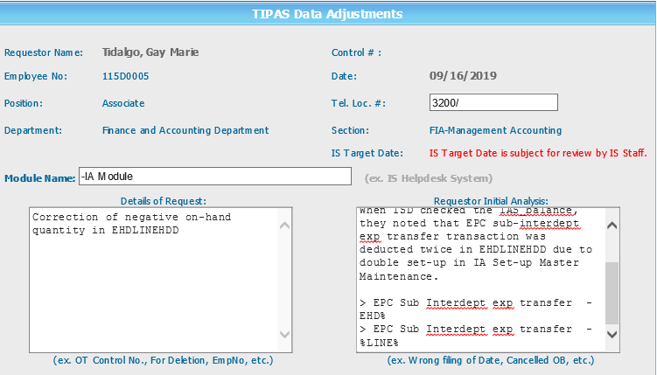
Helpdesk Request

 | ATTACH SCREENSHOT OF HELPDESK REQUEST.

